Bank information
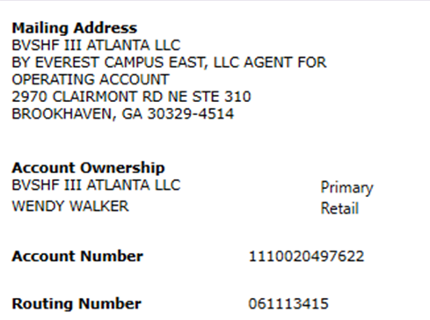

Verification Support
Name & Phone number of person you verified instructions with:

Where did you obtain the phone number used?

Date and Time of Verification Call:

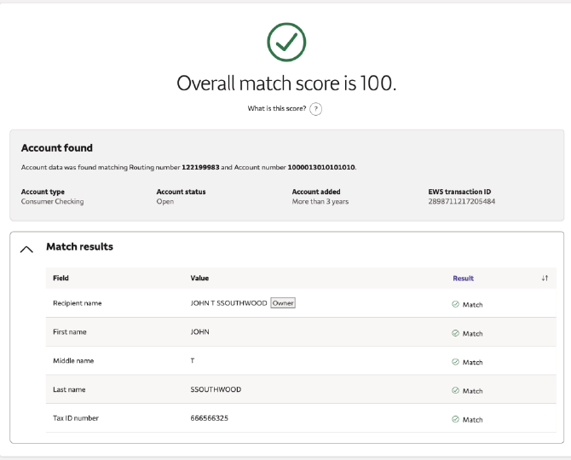
Screenshot of Account Validation Score: | Example:

Name

Support
